Unaudited Actuals
 | 2022-23 Unaudited Actuals Technical Checklist

 |  | Charter School Name |  | #N/A
 |  | Charter School CDS Code |  |  |  |  | Enter CDS Code
 |  | Authorizer |  | #N/A

 |  |  | Name of Person Completing this Form:
 |  |  | Email:
 |  |  | Phone:

1. | Certification Tab: Contact Information
 |  |  |  |  |  |  |  | Yes or No
 | Is the county, authorizer and charter school contact information completed and correct on the certification tab?
 |  | Charters will need to obtain For Approving Entity contact information from their authorizer.
 |  | If yes, please verify the remainder of information.
 |  | If no, the charter school must correct prior to SDCOE submission (both digital and hard copy formats).

 |  | The following information should be used for the County Fiscal Contact:

 |  |  | Roxanna Travers
 |  |  | Sr. Manager Financial Accounting
 |  |  | 858-295-6700
 |  |  | roxanna.travers@sdcoe.net

2. | Certification Tab: Original Signed Copy
 |  |  |  |  |  |  | Yes or No | Date Submitted
 | Was an original signed copy of the certification page submitted to the charter authorizer?

 | Original signed copy of the certification page (charter and authorizer signatures) submitted to the SDCOE?

3. | Beginning Fund Balance

 |  | 2021-22 |  |  | 2022-23 |  | Variance
 |  | Ending Fund Balance 21-22 UA Line F.2. |  |  | Beginning Fund Balance 21-22 UA Line F.1.a. (obj 9791)
 |  | Unrestricted | Restricted |  | Unrestricted | Restricted | Unrestricted | Restricted
 |  |  |  |  |  |  | $- | $-
 |  | **2022-23 beginning fund balances, MUST equal 2021-22 ending fund balances

4. | Audit Adjustments

 |  |  |  | 2021-22 Audit Report |  | 2022-23 Financial Reports UA Line F.1.b. (obj 9793, 9795) | Variance
 |  |  | Audit Adjustments/Restatements |  |  |  | $-
 |  |  | Adjusted Ending Fund Balance |  |  |  | $-

 |  |  | Do audit adjustments and restatements, if any, reported in the 2021-22 Audit Report, match the audit adjustments/restatements reported in object 9793, 9795 of the 2022-23 Unaudited Actuals?
 |  |  | **If the 2021-22 Audit Report audit adjustments/restatments DO NOT match the 2022-23 Unaudited Actuals audit adjustments/restatements, please work with the charter school to ensure the financials are reported accurately prior to SDCOE submission.
 |  | Comments:

5. | Alternative Form Errors - SACS Web

 | 1. Run Technical Review (TRC) - All Fatal Errors must be cleared

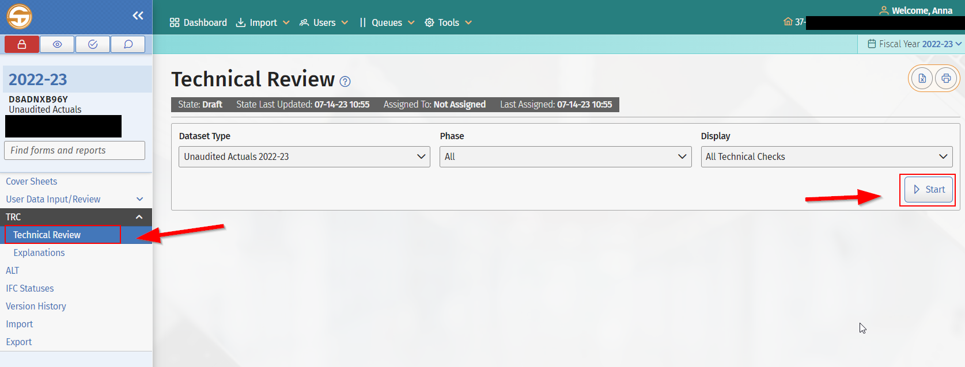

 | 2. When a form is closed if there are any errors, a new window will pop up to notify the user of the errors remaining.

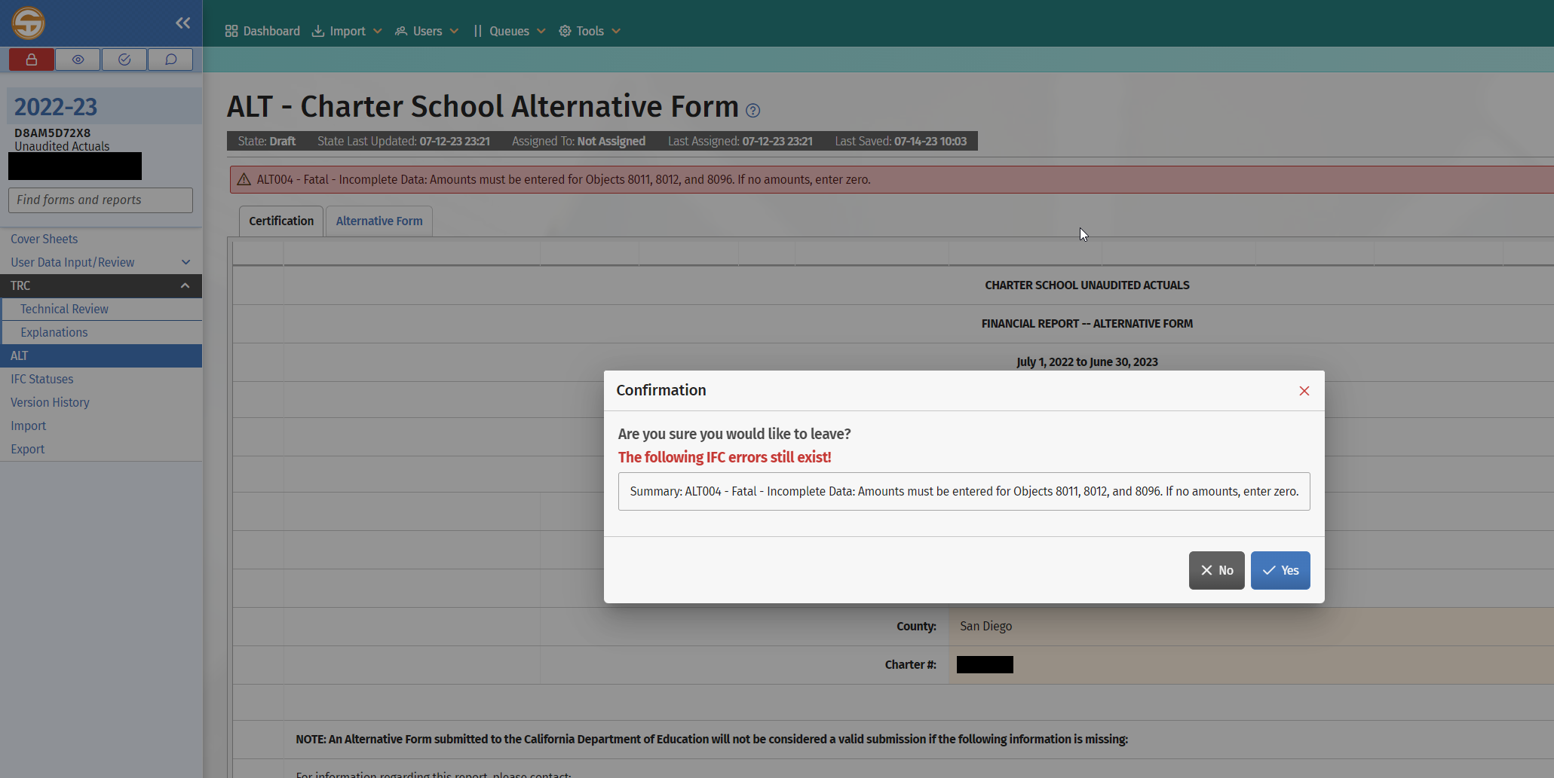

 | 3. The Alternative Form must have official status for submission. Verify Official Status CDE will not accept an Alternative Form with any errors. Please ensure any errors that exist are corrected prior to promoting your submission to the charter approver and authorizer approver.
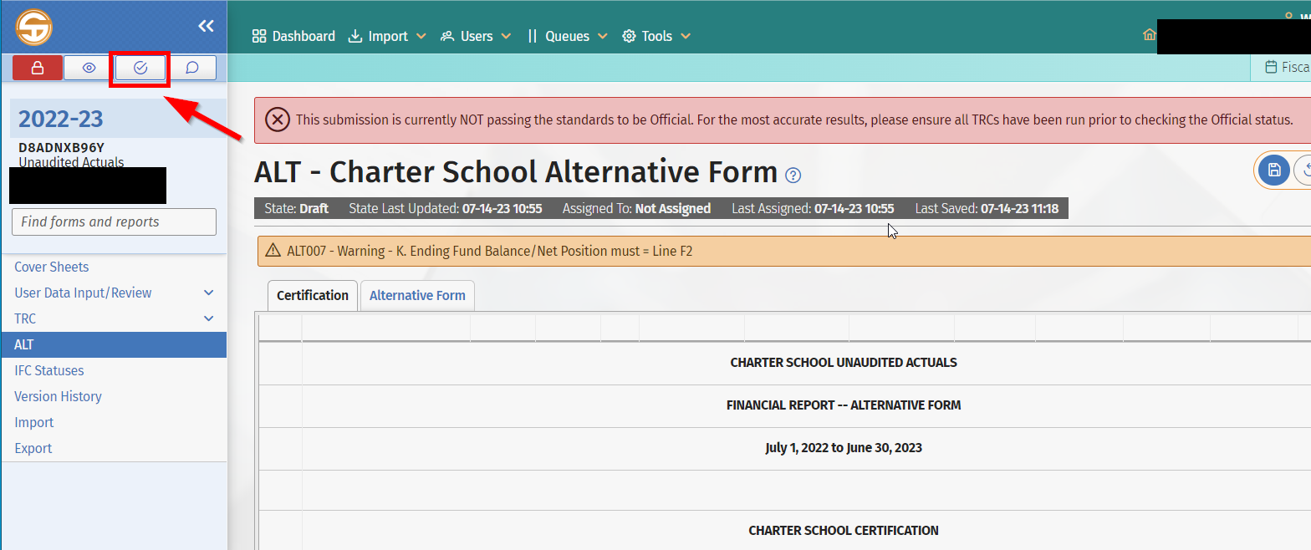

6. | SACS Official Extract or Alternative Form Electronic File
 |  |  |  |  |  |  | Yes or No | Date Submitted
 | Was a an official SACS extract or Charter School Alternative Form submitted via SACS Web?
 | Submit the dataset for approval by using the Queues Menu by promoting to the appropriate level.

